Table 1
This file presents the data from the tables in CBO’s September 2023 report CBO’s Projections of Federal Receipts and Expenditures in the National Income and Product Accounts: 2023 to 2033.
www.cbo.gov/publication/59457

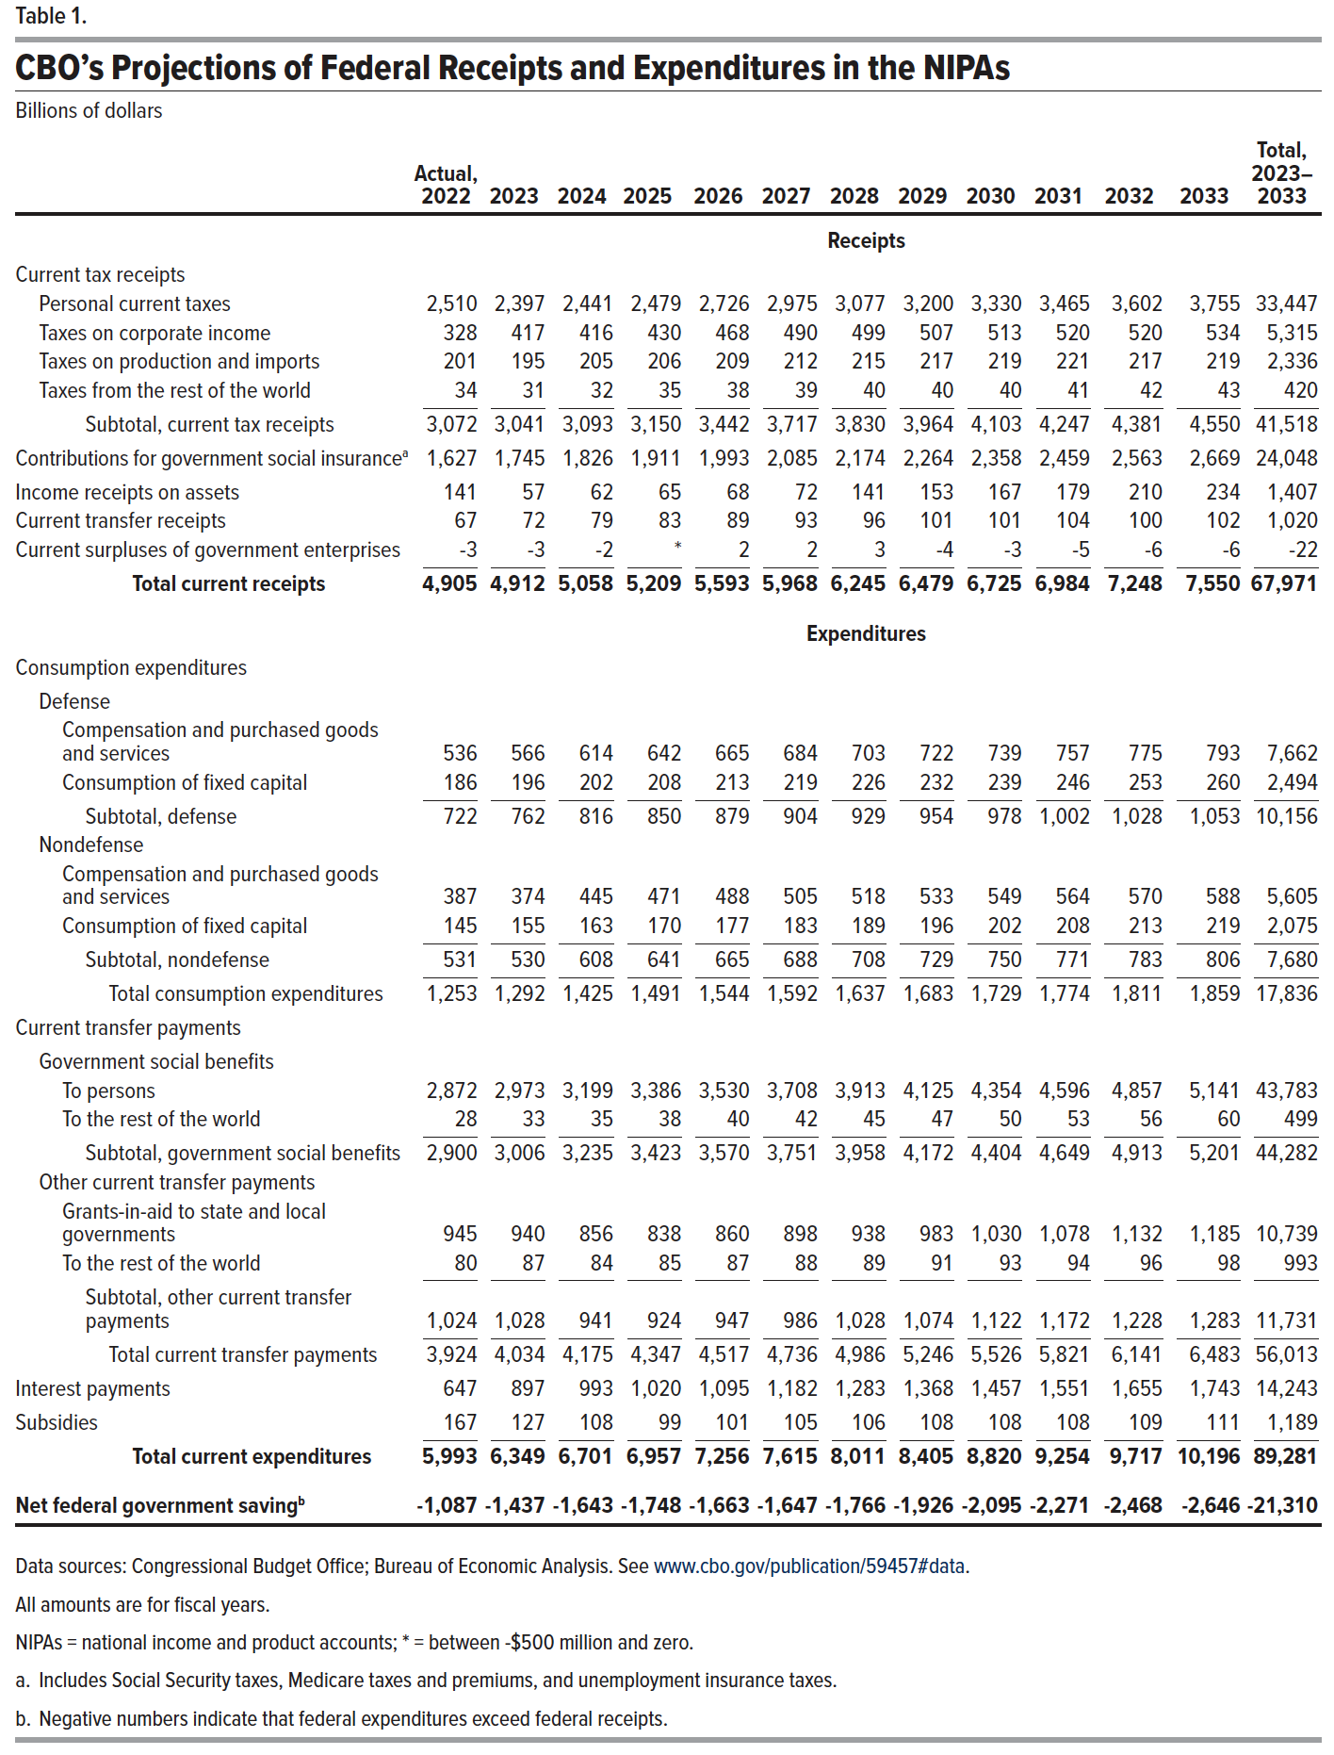
Table 1. CBO's Projections of Federal Receipts and Expenditures in the NIPAs
Billions of dollars

 | Actual, 2022 | 2023 | 2024 | 2025 | 2026 | 2027 | 2028 | 2029 | 2030 | 2031 | 2032 | 2033 | Total, 2023– 2033
 | Receipts
Current tax receipts
Personal current taxes | 2,510 | 2,397 | 2,441 | 2,479 | 2,726 | 2,975 | 3,077 | 3,200 | 3,330 | 3,465 | 3,602 | 3,755 | 33,447
Taxes on corporate income | 328 | 417 | 416 | 430 | 468 | 490 | 499 | 507 | 513 | 520 | 520 | 534 | 5,315
Taxes on production and imports | 201 | 195 | 205 | 206 | 209 | 212 | 215 | 217 | 219 | 221 | 217 | 219 | 2,336
Taxes from the rest of the world | 34 | 31 | 32 | 35 | 38 | 39 | 40 | 40 | 40 | 41 | 42 | 43 | 420
Subtotal, current tax receipts | 3,072 | 3,041 | 3,093 | 3,150 | 3,442 | 3,717 | 3,830 | 3,964 | 4,103 | 4,247 | 4,381 | 4,550 | 41,518
Contributions for government social insurance | 1,627 | 1,745 | 1,826 | 1,911 | 1,993 | 2,085 | 2,174 | 2,264 | 2,358 | 2,459 | 2,563 | 2,669 | 24,048
Income receipts on assets | 141 | 57 | 62 | 65 | 68 | 72 | 141 | 153 | 167 | 179 | 210 | 234 | 1,407
Current transfer receipts | 67 | 72 | 79 | 83 | 89 | 93 | 96 | 101 | 101 | 104 | 100 | 102 | 1,020
Current surpluses of government enterprises | -3 | -3 | -2 | 0 | 2 | 2 | 3 | -4 | -3 | -5 | -6 | -6 | -22
Total current receipts | 4,905 | 4,912 | 5,058 | 5,209 | 5,593 | 5,968 | 6,245 | 6,479 | 6,725 | 6,984 | 7,248 | 7,550 | 67,971
 | Expenditures
Consumption expenditures
Defense
Compensation and purchased goods and services | 536 | 566 | 614 | 642 | 665 | 684 | 703 | 722 | 739 | 757 | 775 | 793 | 7,662
Consumption of fixed capital | 186 | 196 | 202 | 208 | 213 | 219 | 226 | 232 | 239 | 246 | 253 | 260 | 2,494
Subtotal, defense | 722 | 762 | 816 | 850 | 879 | 904 | 929 | 954 | 978 | 1,002 | 1,028 | 1,053 | 10,156
Nondefense
Compensation and purchased goods and services | 387 | 374 | 445 | 471 | 488 | 505 | 518 | 533 | 549 | 564 | 570 | 588 | 5,605
Consumption of fixed capital | 145 | 155 | 163 | 170 | 177 | 183 | 189 | 196 | 202 | 208 | 213 | 219 | 2,075
Subtotal, nondefense | 531 | 530 | 608 | 641 | 665 | 688 | 708 | 729 | 750 | 771 | 783 | 806 | 7,680
Total consumption expenditures | 1,253 | 1,292 | 1,425 | 1,491 | 1,544 | 1,592 | 1,637 | 1,683 | 1,729 | 1,774 | 1,811 | 1,859 | 17,836
Current transfer payments
Government social benefits
To persons | 2,872 | 2,973 | 3,199 | 3,386 | 3,530 | 3,708 | 3,913 | 4,125 | 4,354 | 4,596 | 4,857 | 5,141 | 43,783
To the rest of the world | 28 | 33 | 35 | 38 | 40 | 42 | 45 | 47 | 50 | 53 | 56 | 60 | 499
Subtotal, government social benefits | 2,900 | 3,006 | 3,235 | 3,423 | 3,570 | 3,751 | 3,958 | 4,172 | 4,404 | 4,649 | 4,913 | 5,201 | 44,282
Other current transfer payments
Grants-in-aid to state and local governments | 945 | 940 | 856 | 838 | 860 | 898 | 938 | 983 | 1,030 | 1,078 | 1,132 | 1,185 | 10,739
To the rest of the world | 80 | 87 | 84 | 85 | 87 | 88 | 89 | 91 | 93 | 94 | 96 | 98 | 993
Subtotal, other current transfer payments | 1,024 | 1,028 | 941 | 924 | 947 | 986 | 1,028 | 1,074 | 1,122 | 1,172 | 1,228 | 1,283 | 11,731
Total Current Transfer Payments | 3,924 | 4,034 | 4,175 | 4,347 | 4,517 | 4,736 | 4,986 | 5,246 | 5,526 | 5,821 | 6,141 | 6,483 | 56,013
Interest payments | 647 | 897 | 993 | 1,020 | 1,095 | 1,182 | 1,283 | 1,368 | 1,457 | 1,551 | 1,655 | 1,743 | 14,243
Subsidies | 167 | 127 | 108 | 99 | 101 | 105 | 106 | 108 | 108 | 108 | 109 | 111 | 1,189
Total current expenditures | 5,993 | 6,349 | 6,701 | 6,957 | 7,256 | 7,615 | 8,011 | 8,405 | 8,820 | 9,254 | 9,717 | 10,196 | 89,281
 | Net federal government saving
Net federal government saving | -1,087 | -1,437 | -1,643 | -1,748 | -1,663 | -1,647 | -1,766 | -1,926 | -2,095 | -2,271 | -2,468 | -2,646 | -21,310

Back to Table of Contents

Table 2
This file presents the data from the tables in CBO’s September 2023 report CBO’s Projections of Federal Receipts and Expenditures in the National Income and Product Accounts: 2023 to 2033.
www.cbo.gov/publication/59457

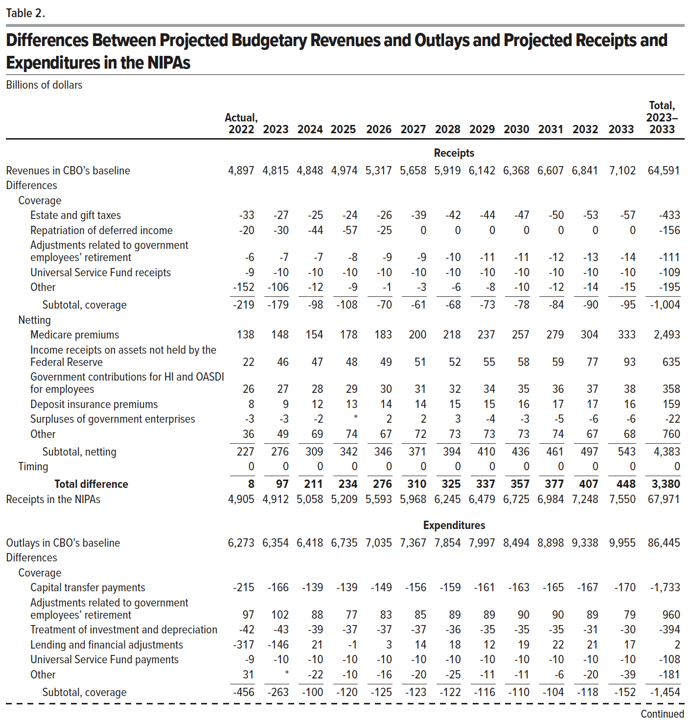
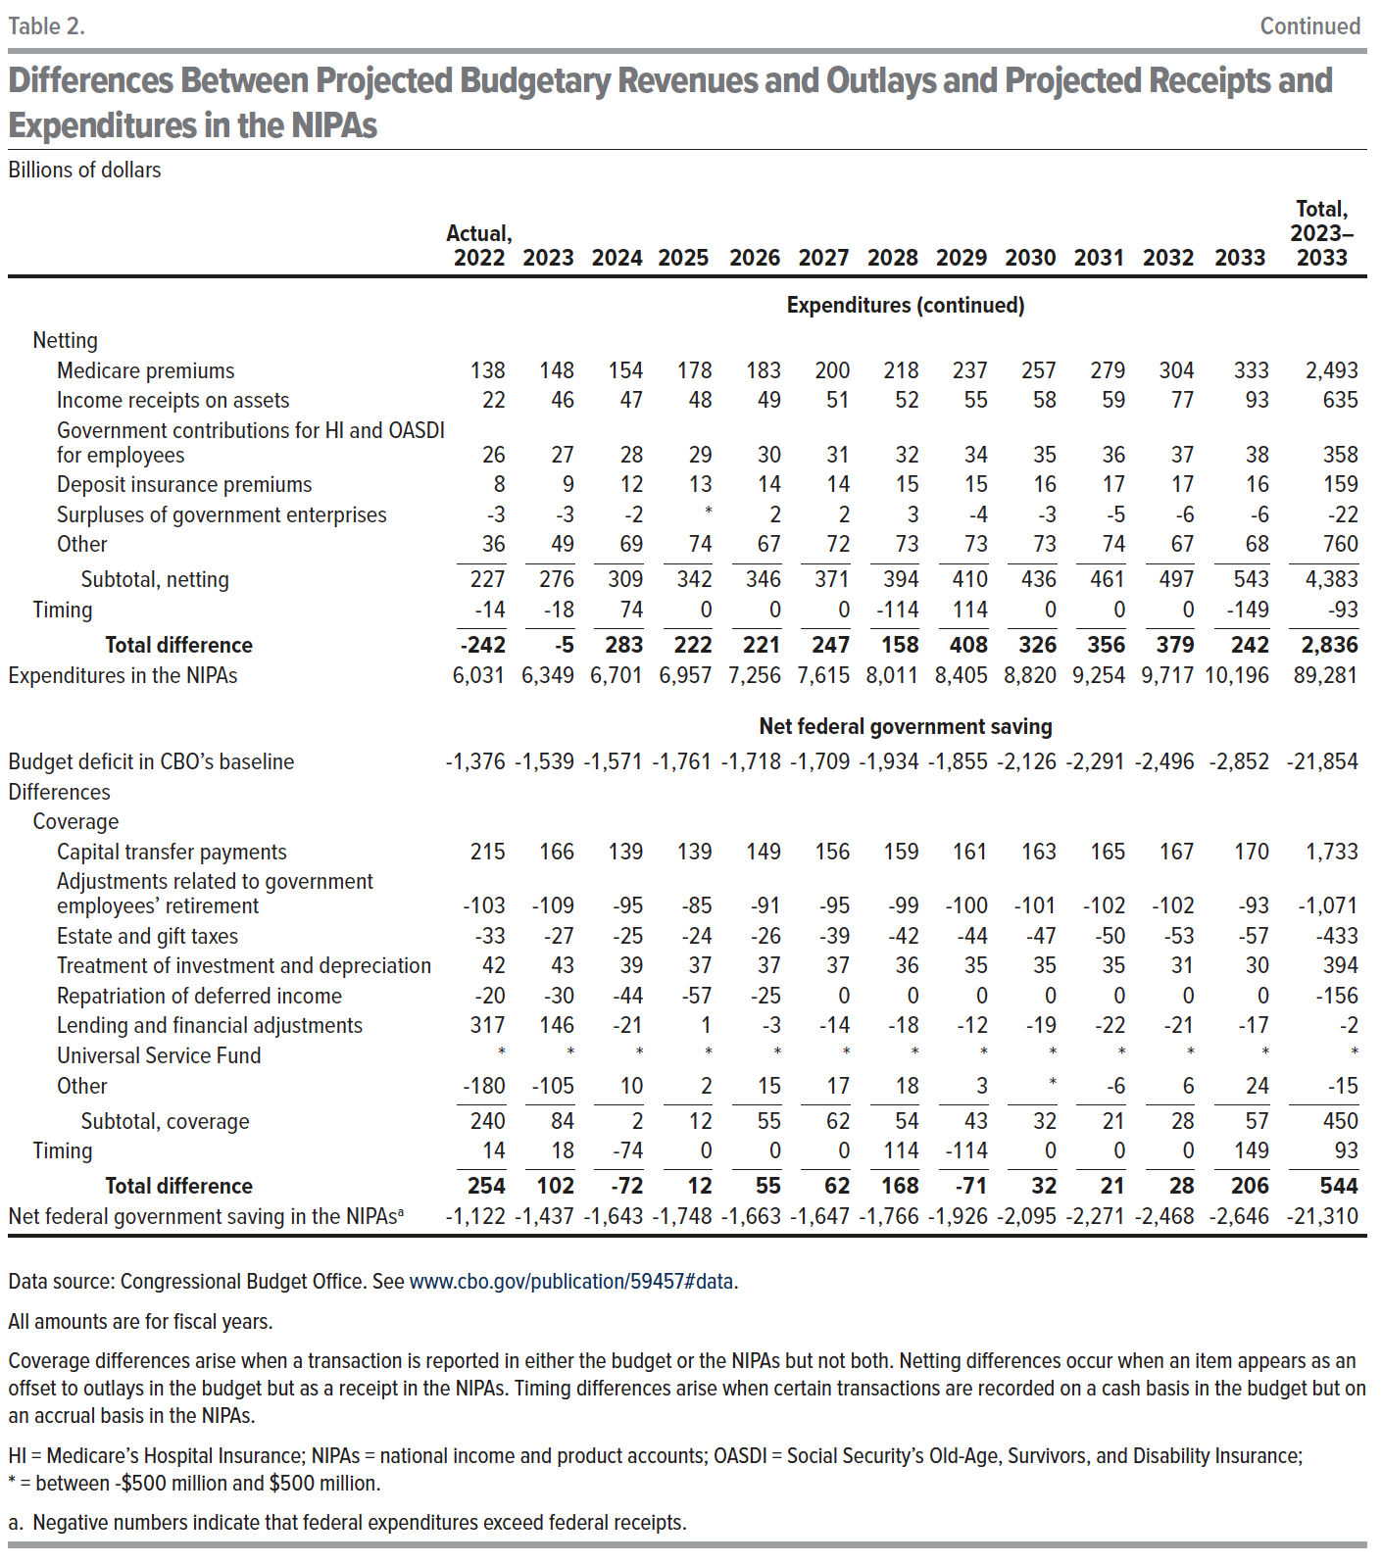
Table 2. Differences Between Projected Budgetary Revenues and Outlays and Projected Receipts and Expenditures in the NIPAs
Billions of dollars

 | Actual, 2022 | 2023 | 2024 | 2025 | 2026 | 2027 | 2028 | 2029 | 2030 | 2031 | 2032 | 2033 | Total, 2023– 2033
 | Receipts
Revenues in CBO’s baseline | 4,897 | 4,815 | 4,848 | 4,974 | 5,317 | 5,658 | 5,919 | 6,142 | 6,368 | 6,607 | 6,841 | 7,102 | 64,591
Differences
Coverage
Estate and gift taxes | -33 | -27 | -25 | -24 | -26 | -39 | -42 | -44 | -47 | -50 | -53 | -57 | -433
Repatriation of deferred income | -20 | -30 | -44 | -57 | -25 | 0 | 0 | 0 | 0 | 0 | 0 | 0 | -156
Adjustments related to government employees’ retirement | -6 | -7 | -7 | -8 | -9 | -9 | -10 | -11 | -11 | -12 | -13 | -14 | -111
Universal Service Fund receipts | -9 | -10 | -10 | -10 | -10 | -10 | -10 | -10 | -10 | -10 | -10 | -10 | -109
Other | -152 | -106 | -12 | -9 | -1 | -3 | -6 | -8 | -10 | -12 | -14 | -15 | -195
Subtotal, coverage | -219 | -179 | -98 | -108 | -70 | -61 | -68 | -73 | -78 | -84 | -90 | -95 | -1,004
Netting
Medicare premiums | 138 | 148 | 154 | 178 | 183 | 200 | 218 | 237 | 257 | 279 | 304 | 333 | 2,493
Income receipts on assets not held by the Federal Reserve | 22 | 46 | 47 | 48 | 49 | 51 | 52 | 55 | 58 | 59 | 77 | 93 | 635
Government contributions for HI and OASDI for employees | 26 | 27 | 28 | 29 | 30 | 31 | 32 | 34 | 35 | 36 | 37 | 38 | 358
Deposit insurance premiums | 8 | 9 | 12 | 13 | 14 | 14 | 15 | 15 | 16 | 17 | 17 | 16 | 159
Surpluses of government enterprises | -3 | -3 | -2 | 0 | 2 | 2 | 3 | -4 | -3 | -5 | -6 | -6 | -22
Other | 36 | 49 | 69 | 74 | 67 | 72 | 73 | 73 | 73 | 74 | 67 | 68 | 760
Subtotal, netting | 227 | 276 | 309 | 342 | 346 | 371 | 394 | 410 | 436 | 461 | 497 | 543 | 4,383
Timing | 0 | 0 | 0 | 0 | 0 | 0 | 0 | 0 | 0 | 0 | 0 | 0 | 0
Total difference | 8 | 97 | 211 | 234 | 276 | 310 | 325 | 337 | 357 | 377 | 407 | 448 | 3,380
Receipts in the NIPAs | 4,905 | 4,912 | 5,058 | 5,209 | 5,593 | 5,968 | 6,245 | 6,479 | 6,725 | 6,984 | 7,248 | 7,550 | 67,971
 | Expenditures
Outlays in CBO’s baseline | 6,273 | 6,354 | 6,418 | 6,735 | 7,035 | 7,367 | 7,854 | 7,997 | 8,494 | 8,898 | 9,338 | 9,955 | 86,445
Differences
Coverage
Capital transfer payments | -215 | -166 | -139 | -139 | -149 | -156 | -159 | -161 | -163 | -165 | -167 | -170 | -1,733
Adjustments related to government employees’ retirement | 97 | 102 | 88 | 77 | 83 | 85 | 89 | 89 | 90 | 90 | 89 | 79 | 960
Treatment of investment and depreciation | -42 | -43 | -39 | -37 | -37 | -37 | -36 | -35 | -35 | -35 | -31 | -30 | -394
Lending and financial adjustments | -317 | -146 | 21 | -1 | 3 | 14 | 18 | 12 | 19 | 22 | 21 | 17 | 2
Universal Service Fund payments | -9 | -10 | -10 | -10 | -10 | -10 | -10 | -10 | -10 | -10 | -10 | -10 | -108
Other | -7 | 0 | -22 | -10 | -16 | -20 | -25 | -11 | -11 | -6 | -20 | -39 | -181
Subtotal, coverage | -494 | -263 | -100 | -120 | -125 | -123 | -122 | -116 | -110 | -104 | -118 | -152 | -1,454
Netting
Medicare premiums | 138 | 148 | 154 | 178 | 183 | 200 | 218 | 237 | 257 | 279 | 304 | 333 | 2,493
Income receipts on assets | 22 | 46 | 47 | 48 | 49 | 51 | 52 | 55 | 58 | 59 | 77 | 93 | 635
Government contributions for HI and OASDI for employees | 26 | 27 | 28 | 29 | 30 | 31 | 32 | 34 | 35 | 36 | 37 | 38 | 358
Deposit insurance premiums | 8 | 9 | 12 | 13 | 14 | 14 | 15 | 15 | 16 | 17 | 17 | 16 | 159
Surpluses of government enterprises | -3 | -3 | -2 | 0 | 2 | 2 | 3 | -4 | -3 | -5 | -6 | -6 | -22
Other | 36 | 49 | 69 | 74 | 67 | 72 | 73 | 73 | 73 | 74 | 67 | 68 | 760
Subtotal, netting | 227 | 276 | 309 | 342 | 346 | 371 | 394 | 410 | 436 | 461 | 497 | 543 | 4,383
Timing | -14 | -18 | 74 | 0 | 0 | 0 | -114 | 114 | 0 | 0 | 0 | -149 | -93
Total difference | -281 | -5 | 283 | 222 | 221 | 247 | 158 | 408 | 326 | 356 | 379 | 242 | 2,836
Expenditures in the NIPAs | 5,993 | 6,349 | 6,701 | 6,957 | 7,256 | 7,615 | 8,011 | 8,405 | 8,820 | 9,254 | 9,717 | 10,196 | 89,281
 | Net federal government saving
Budget Deficit in CBO’s baseline | -1,376 | -1,539 | -1,571 | -1,761 | -1,718 | -1,709 | -1,934 | -1,855 | -2,126 | -2,291 | -2,496 | -2,852 | -21,854
Differences
Coverage
Capital transfer payments | 215 | 166 | 139 | 139 | 149 | 156 | 159 | 161 | 163 | 165 | 167 | 170 | 1,733
Adjustments related to government employees’ retirement | -103 | -109 | -95 | -85 | -91 | -95 | -99 | -100 | -101 | -102 | -102 | -93 | -1,071
Estate and gift taxes | -33 | -27 | -25 | -24 | -26 | -39 | -42 | -44 | -47 | -50 | -53 | -57 | -433
Treatment of investment and depreciation | 42 | 43 | 39 | 37 | 37 | 37 | 36 | 35 | 35 | 35 | 31 | 30 | 394
Repatriation of deferred income | -20 | -30 | -44 | -57 | -25 | 0 | 0 | 0 | 0 | 0 | 0 | 0 | -156
Lending and financial adjustments | 317 | 146 | -21 | 1 | -3 | -14 | -18 | -12 | -19 | -22 | -21 | -17 | -2
Universal Service Fund | 0 | 0 | 0 | 0 | 0 | 0 | 0 | 0 | 0 | 0 | 0 | 0 | 0
Other | -144 | -105 | 10 | 2 | 15 | 17 | 18 | 3 | 0 | -6 | 6 | 24 | -15
Subtotal, coverage | 275 | 84 | 2 | 12 | 55 | 62 | 54 | 43 | 32 | 21 | 28 | 57 | 450
Timing | 14 | 18 | -74 | 0 | 0 | 0 | 114 | -114 | 0 | 0 | 0 | 149 | 93
Total difference | 289 | 102 | -72 | 12 | 55 | 62 | 168 | -71 | 32 | 21 | 28 | 206 | 544
Net federal government saving in the NIPAs | -1,087 | -1,437 | -1,643 | -1,748 | -1,663 | -1,647 | -1,766 | -1,926 | -2,095 | -2,271 | -2,468 | -2,646 | -21,310

Back to Table of Contents

